Introduction
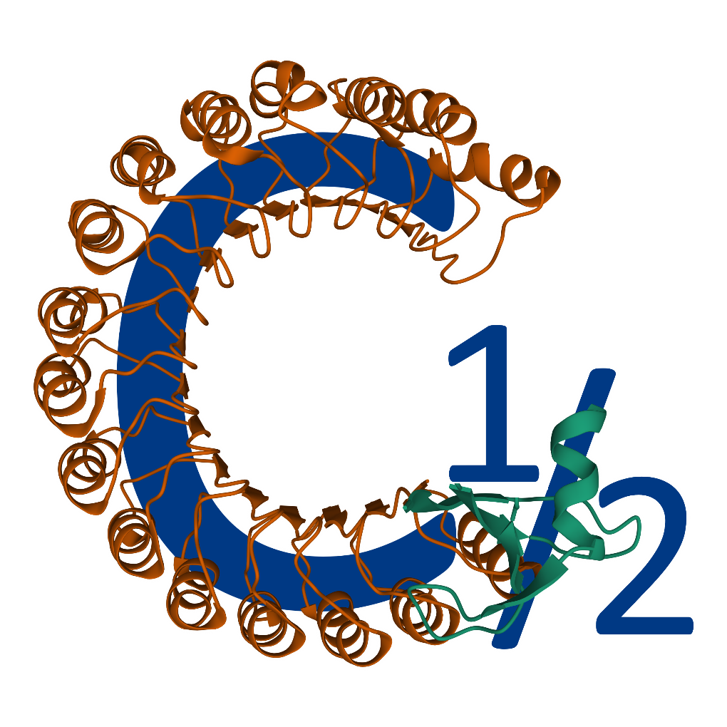
CHalf Inputs Formatting Guide:
CHalf was built with the intent of anyone being able to introduce it into their workflow but was originally optimized to work with files from PEAKS Studio. CHalf uses quant data in the form of protein-peptides.csv and proteins.csv files. In order to run CHalf, you will need to adjust your MS quant outputs to fit CHalf's input structure.
If you are exporting PEAKS outputs, you likely will not need to make any adjustments to your files. For other ouputs, variations from the column structure can potentially cause errors or incorrect calcuations. This guide serves to help you identify how to modify your files to match the format needed to run CHalf. Each file type is discussed in detail in the following tabs.
Basic Information:
protein-peptides.csv - File containing peptides identified with associated protein accessions and quantitated abundances
proteins.csv - File containing proteins identified and their descriptions
Instructions:
1. Include protein-peptides.csv and proteins.csv at the end of your respective files' names. This is essential for CHalf to recognize them as inputs. Similarily, your files must be formatted as csv's for CHalf to run.
2. Follow the guide in the following tabs for formatting your input files.

protein-peptides.csv
Protein Accession | Peptide | 0 | 75 | 150 | 225 | 300 | 375 | 450 | 525 | 600 | 620 | Start | End
P02787|TRFE_HUMAN | K.MYLGY(+125.90)EYVTAIR.N | 2.59E+03 | 1.32E+02 | 3.76E+02 | 4.81E+02 | 1.49E+03 | 6.84E+03 | 6.68E+03 | 5.05E+03 | 1.65E+03 | 1.96E+03 | 332 | 343
P02787|TRFE_HUMAN | K.MYLGYEYVTAIR.N | 1.96E+03 | 1.65E+03 | 5.05E+03 | 6.68E+03 | 6.84E+03 | 1.49E+03 | 4.81E+02 | 3.76E+02 | 1.32E+02 | 2.59E+03 | 332 | 343
Protein Accession Column:
This column lists the proteins associated with the peptides found. Be sure to label it as "Protein Accession" for the program to function.
Peptide Column:
CHalf will attempt to generate a sigmoid curve for each peptide in the "Peptide" column. It is essential that a column be named "Peptide" for the program to generate curves. It is also best to utilize the labeling format used in the example below for utilizing other CHalf tools.
Concentration/Temperature Columns:
CHalf will attempt to generate a sigmoid curve using abundance values in these columns. It is essential that these columns contain numbers in their titles. Best practice is to name them the concentration/temperature values. The above example is for IPSA's standard 10 point curve expressed in mM GdmCl. CHalf will index for the first numbered column to identify the concentration/temperature column set. Hence, it is essential that no column prior to your first denaturant point contain numbers in the title. It is also essential that your concentration/temperature columns be kept side by side as CHalf will count from the first point until the specified number of points columns are collected. Incorrectly ordering these columns will result in incorrect calculations or errors.
Start and End Columns:
These columns correspond to the starting and ending residue numbers of the peptides found. It is essential to have these columns for the operation of the program. If you do not have values for them, you may include filler integer values to avoid errors. Correct values, however, are essential for other CHalf tools calculations.

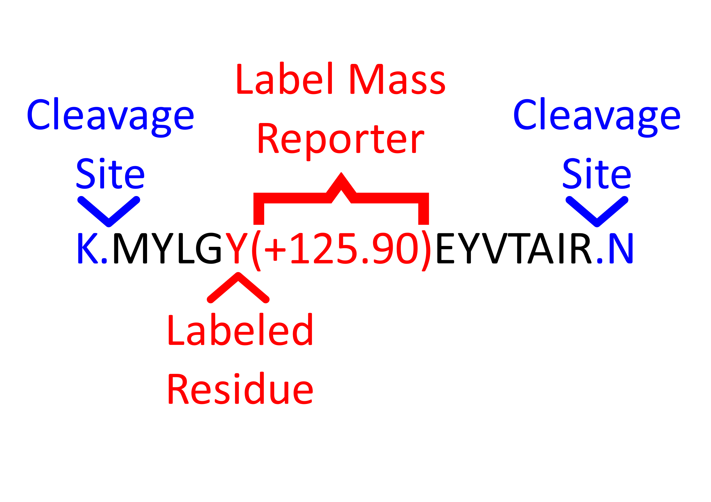
Labeling Format:
Note:
The protein-peptides.csv file's function is to contain the quantitated abundances of the peptides measured in your samples. Hence, it is the most important file for calculating C½ values. CHalf will search for the columns named above and will ignore any other columns included, so there is no need to remove other columns from your inputs. It is just essential that your denaturant points columns containing abundances are grouped together and are the first columns with numbers in the column names.

proteins.csv
Note:
The protein.csv file's function is to help you better understand what proteins are found in your sample. CHalf will hence merge it to the protein-peptides.csv file based on protein accessions. Hence, the only columns needed are "Accession" and "Description." There is no need to remove or add other columns as CHalf will not take them into account. If your quant outputs lack descriptions for your proteins, you may simply use filler strings in the "Description" column.
Accession | Description
P02787|TRFE_HUMAN | Serotransferrin OS=Homo sapiens OX=9606 GN=TF PE=1 SV=3
P02790|HEMO_HUMAN | Hemopexin OS=Homo sapiens OX=9606 GN=HPX PE=1 SV=2
Accession Column:
This column lists the proteins associated with the peptides found. Be sure to label it as "Accession" for the program to function.
Description Column:
This column lists the descriptions of the proteins associated with the peptides found. Be sure to label it as "Description" for the program to function.

